公司发票
YIWU DIRONG IMPORT AND EXPORT CO.,LIMITED
ADD:ROOM302 UNIT2, BUILDING 130, YONGSHENGXIAOQU, YIWU, ZHEJIANG, CHINA
PACKING LIST

To: | UTN |  |  |  |  | Invoice No.: |  |  | UTN- D7
 |  |  |  |  |  | S/C No.: |  |  | UTN- D7
 |  |  |  |  |  | Date: |  |  | Jun.26,2023
Shipping Marks |  | Descriptions of Goods | Quantities/ctn | Ctns | QTY | N.W. | G.W.1CTN | G.W. | MEAS/1CTN | MEAS(CBM)
 |  |  | piece/box
 |  |  |  |  |  | KGS |  | KGS
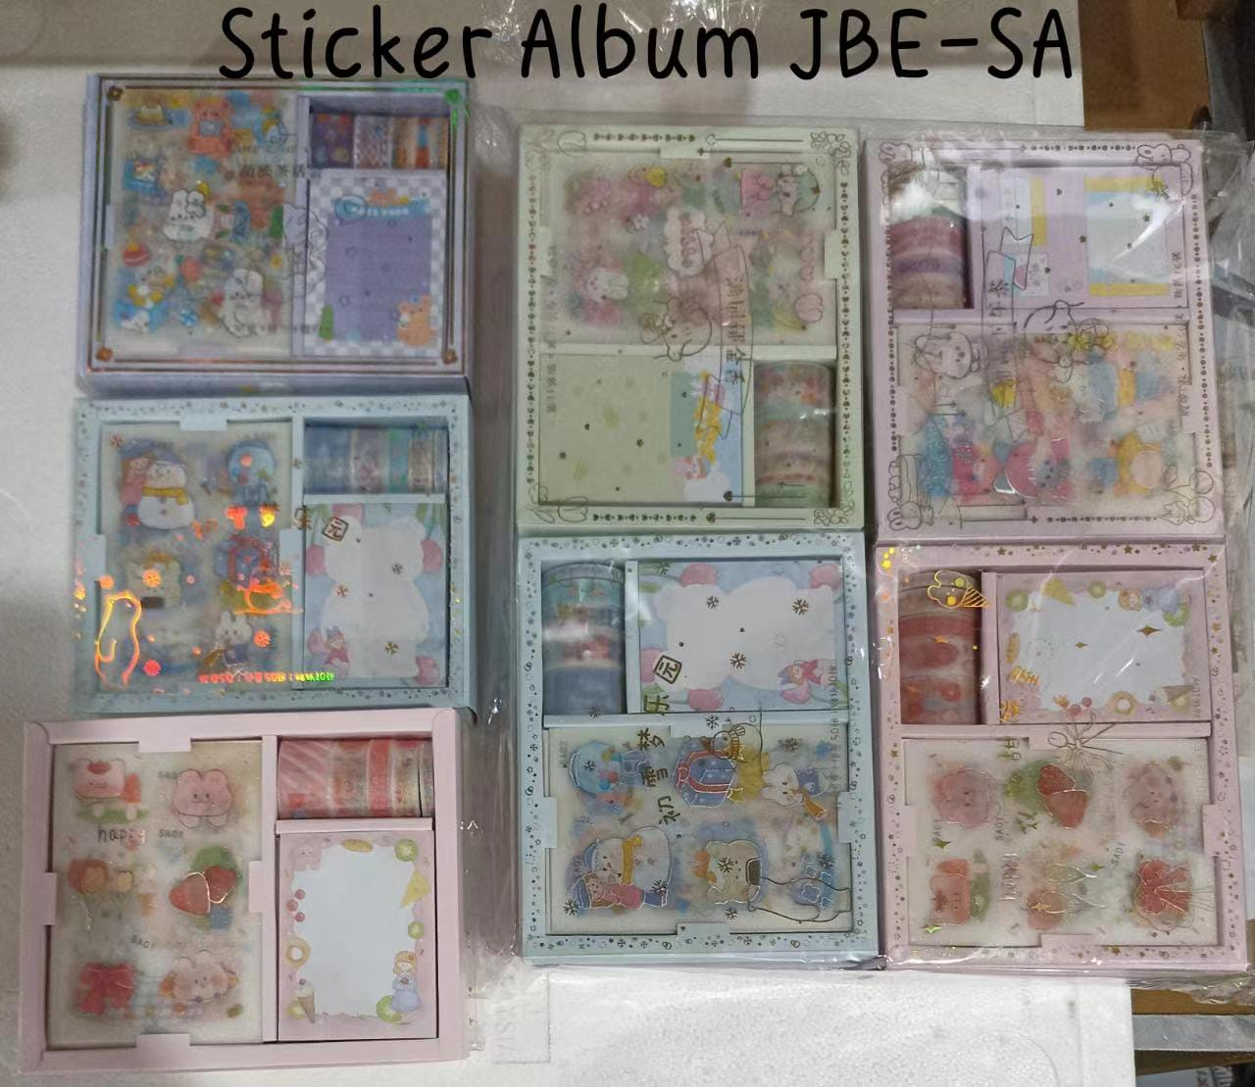
UTN | XTQ-F | Sticker | 1152 | 10 | 11520 | 312.0 | 32.2 | 322.0 | 0.223 | 2.23 | 0.8 | 9216
UTN | KL-AH | Sticker | 2880 | 10 | 28800 | 414.0 | 42.4 | 424.0 | 0.135 | 1.35 | 0.56 | 16128
UTN | QJF-A | Sticker | 384 | 10 | 3840 | 404.0 | 41.4 | 414.0 | 0.261 | 2.61 | 3.52 | 13516.8
UTN | JBE-SA | Sticker | 224 | 10 | 2240 | 272.0 | 28.2 | 282.0 | 0.268 | 2.68 | 4.27 | 9564.8
UTN | DH-2356 | Sticker | 200 | 10 | 2000 | 276.0 | 28.6 | 286.0 | 0.203 | 2.03 | 5.1 | 10200
UTN | YLD | Sticker | 3000 | 10 | 30000 | 250.0 | 26 | 260.0 | 0.184 | 1.84 | 0.42 | 12600
UTN | JBE34 | Sticker | 480 | 10 | 4800 | 290.0 | 30 | 300.0 | 0.303 | 3.03 | 1.66 | 7968
UTN | JBE24 | Sticker | 384 | 10 | 3840 | 290.0 | 30 | 300.0 | 0.291 | 2.91 | 2.5 | 9600
UTN | XTQ-E | Sticker | 1512 | 10 | 15120 | 240.0 | 25 | 250.0 | 0.163 | 1.63 | 0.81 | 12247.2
UTN | JBE- 43 | Sticker | 2880 | 10 | 28800 | 270.0 | 28 | 280.0 | 0.080 | 0.80 | 0.71 | 20448
UTN | JBE-35 | Sticker | 1920 | 10 | 19200 | 270.0 | 28 | 280.0 | 0.091 | 0.91 | 0.56 | 10752
UTN | JBE - SD | Sticker | 224 | 5 | 1120 | 125.0 | 26 | 130.0 | 0.239 | 1.20 | 4.22 | 4726.4
UTN | KL 63 | Sticker | 272 | 5 | 1360 | 135.0 | 28 | 140.0 | 0.297 | 1.49 | 3.9 | 5304
UTN | KL 68 | Sticker | 320 | 10 | 3200 | 270.0 | 28 | 280.0 | 0.284 | 2.84 | 2.1 | 6720
UTN | KL 70 | Sticker | 256 | 5 | 1280 | 145.0 | 30 | 150.0 | 0.294 | 1.47 | 3.6 | 4608
UTN | JBE 30 | Sticker | 576 | 10 | 5760 | 210.0 | 22 | 220.0 | 0.130 | 1.30 | 2 | 11520
UTN | JBE -SV | Sticker | 224 | 10 | 2240 | 280.0 | 29 | 290.0 | 0.268 | 2.68 | 4.75 | 10640
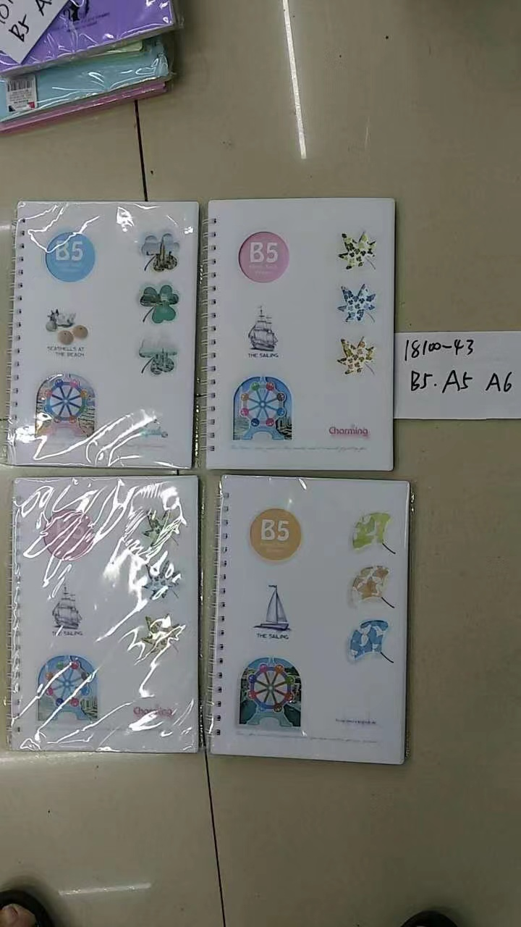
UTN | 50100-71 | Note Book | 240 | 14 | 3360 | 378.0 | 28.0 | 392.0 | 0.053 | 0.74 | 1.68 | 5644.8
UTN | 50100-67 | Note Book | 240 | 9 | 2160 | 243.0 | 28.0 | 252.0 | 0.053 | 0.48 | 1.68 | 3628.8
UTN | 25100-71 | Note Book | 160 | 10 | 1600 | 370.0 | 38.0 | 380.0 | 0.068 | 0.68 | 2.85 | 4560
UTN | 18100-68 | Note Book | 120 | 5 | 600 | 185.0 | 38.0 | 190.0 | 0.066 | 0.33 | 4.2 | 2520
UTN | 18100-59 | Note Book | 120 | 3 | 360 | 111.0 | 38.0 | 114.0 | 0.066 | 0.20 | 4.2 | 1512
UTN | 7025-18 | Note Book | 192 | 5 | 960 | 187.0 | 38.4 | 192.0 | 0.065 | 0.33 | 2.8 | 2688
UTN | 7025-19 | Note Book | 192 | 5 | 960 | 187.0 | 38.4 | 192.0 | 0.065 | 0.33 | 2.8 | 2688
UTN | 7025-27 | Note Book | 192 | 5 | 960 | 187.0 | 38.4 | 192.0 | 0.065 | 0.33 | 2.8 | 2688
UTN | 7025-28 | Note Book | 192 | 5 | 960 | 187.0 | 38.4 | 192.0 | 0.065 | 0.33 | 2.8 | 2688
UTN | 7025-29 | Note Book | 192 | 5 | 960 | 187.0 | 38.4 | 192.0 | 0.065 | 0.33 | 2.8 | 2688
UTN | 7025-30 | Note Book | 192 | 5 | 960 | 187.0 | 38.4 | 192.0 | 0.065 | 0.33 | 2.8 | 2688
UTN | 7025-31 | Note Book | 192 | 5 | 960 | 187.0 | 38.4 | 192.0 | 0.065 | 0.33 | 2.8 | 2688
UTN | 7025-32 | Note Book | 192 | 5 | 960 | 187.0 | 38.4 | 192.0 | 0.065 | 0.33 | 2.8 | 2688
UTN | 05201 | Note Book | 128 | 10 | 1280 | 325.0 | 33.5 | 335.0 | 0.095 | 0.95 | 5.2 | 6656
UTN | 05203 | Note Book | 128 | 10 | 1280 | 325.0 | 33.5 | 335.0 | 0.095 | 0.95 | 5.2 | 6656
UTN | 05204 | Note Book | 128 | 10 | 1280 | 325.0 | 33.5 | 335.0 | 0.095 | 0.95 | 5.2 | 6656
UTN | 05205 | Note Book | 128 | 10 | 1280 | 325.0 | 33.5 | 335.0 | 0.095 | 0.95 | 5.2 | 6656
UTN | 05202 | Note Book | 128 | 10 | 1280 | 325.0 | 33.5 | 335.0 | 0.095 | 0.95 | 5.2 | 6656
UTN | 64834 | Note Book | 128 | 10 | 1280 | 325.0 | 33.5 | 335.0 | 0.095 | 0.95 | 5.2 | 6656
UTN | 593834 | Note Book | 96 | 10 | 960 | 373.0 | 38.3 | 383.0 | 0.110 | 1.10 | 6.72 | 6451.2
UTN | 76203 | Note Book | 96 | 10 | 960 | 373.0 | 38.3 | 383.0 | 0.110 | 1.10 | 6.72 | 6451.2
UTN | 76205 | Note Book | 96 | 10 | 960 | 373.0 | 38.3 | 383.0 | 0.110 | 1.10 | 6.72 | 6451.2
UTN | 93848 | Note Book | 96 | 10 | 960 | 373.0 | 38.3 | 383.0 | 0.110 | 1.10 | 6.72 | 6451.2
UTN | 93846 | Note Book | 96 | 10 | 960 | 373.0 | 38.3 | 383.0 | 0.110 | 1.10 | 6.72 | 6451.2
UTN | 76208 | Note Book | 96 | 10 | 960 | 373.0 | 38.3 | 383.0 | 0.110 | 1.10 | 6.72 | 6451.2
UTN | LK-22305 | Tape | 3600 | 10 | 36000 | 236.0 | 24.6 | 246.0 | 0.132 | 1.32 | 0.45 | 16200
UTN | 9022 | Sharpener | 192 | 3 | 576 | 51.0 | 18.0 | 54.0 | 0.120 | 0.36 | 4.3 | 2476.8
UTN | 5813 | Pencil Box | 288 | 5 | 1440 | 145.0 | 30.0 | 150.0 | 0.460 | 2.30 | 3.9 | 5616
UTN | 5815 | Pencil Box | 288 | 5 | 1440 | 145.0 | 30.0 | 150.0 | 0.460 | 2.30 | 4.9 | 7056
UTN | 5842 | Pencil Box | 288 | 10 | 2880 | 290.0 | 30.0 | 300.0 | 0.460 | 4.60 | 4.95 | 14256
UTN | 5866 | Pencil Box | 288 | 9 | 2592 | 261.0 | 30.0 | 270.0 | 0.460 | 4.14 | 4.9 | 12700.8
UTN | 8525 | Correction Tape | 576 | 10 | 5760 | 270.0 | 28.0 | 280.0 | 0.215 | 2.15 | 1.85 | 10656
 |  |  |  | 408 ctns |  | 12,822.00 |  | 13230.0 |  | 68.00 |  | 362733.6

